Sheet6
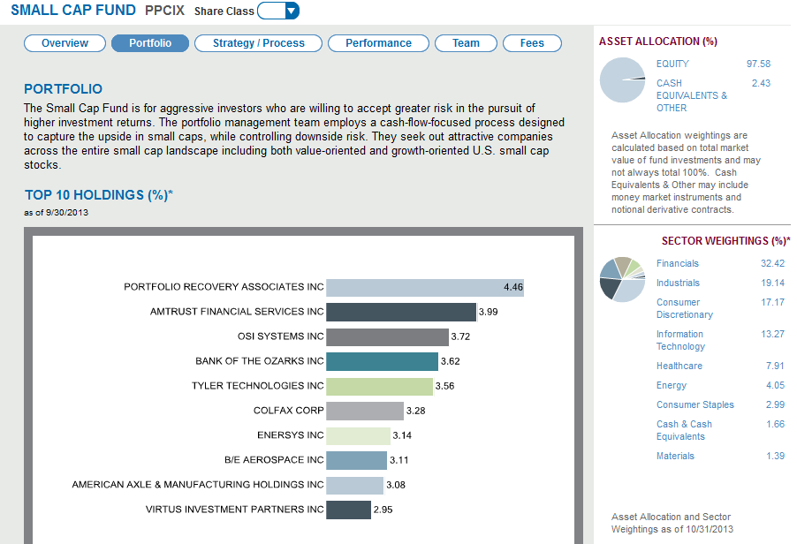
Sector | Weight | Stock
Financial | 32% | EWBC
Consumer Discreationary | 19% | FINL
Industrial | 18% | AIT
Information Technology | 13% | ARRS
Health Care | 10% | AFFX
Material | 3% | CLW
Consumer Staple | 3% | ANDE
Telecommunication Service | 2% | CBEY
 | 100%

